Badgley Mischka
Badgley Mischka Bags

MSRP Average: $61.70

Quantity: 70,275 units

Take All Price: $6.20 per unit ExWarehouse CA
Call for less than take all price.
Subject to changeand prior sale.

 |  | Color | Description | Dimensions | Strap | MSRP | # Units
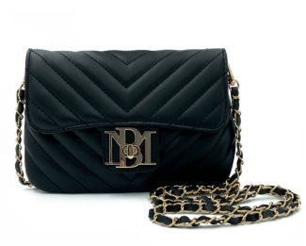 | BM-4184 | BLACK | PHONE CROSSBODY W/LETTER LOCK | 7.5X5X.5 | 44" | $79.00 | 6,502
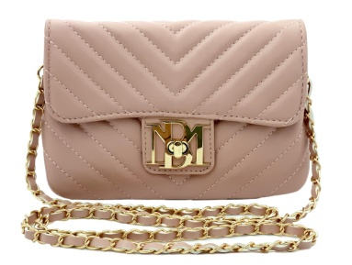 | BM-4184 | BLUSH | PHONE CROSSBODY W/LETTER LOCK | 7.5X5X.5 | 44" | $79.00 | 1,891
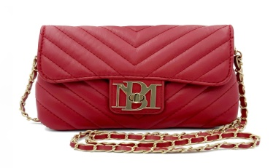 | BM-4184 | RED | PHONE CROSSBODY W/LETTER LOCK | 7.5X5X.5 | 44" | $79.00 | 1,825
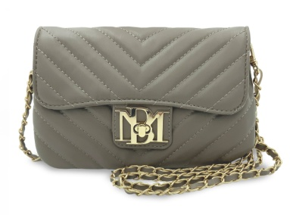 | BM-4184 | TAUPE | PHONE CROSSBODY W/LETTER LOCK | 7.5X5X.5 | 44" | $79.00 | 17
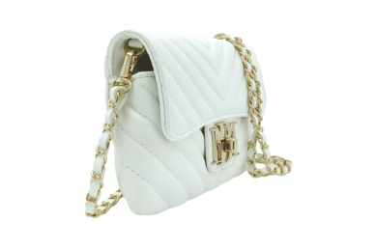 | BM-4184 | WHITE | PHONE CROSSBODY W/LETTER LOCK | 7.5X5X.5 | 44" | $79.00 | 243
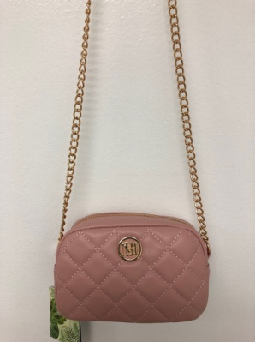 | BM-4186 | BLUSH | MINI CAMERA BAG | 6.5X4X2.5 | 44" | $79.00 | 64
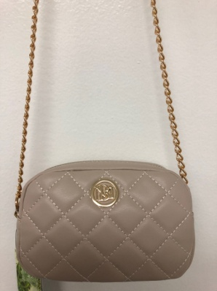 | BM-4186 | OFF-WHITE | MINI CAMERA BAG | 6.5X4X2.5 | 44" | $79.00 | 66
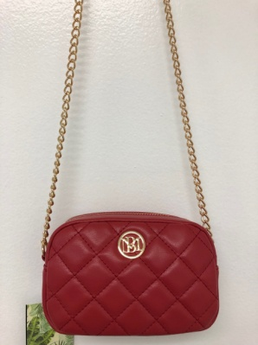 | BM-4186 | RED | MINI CAMERA BAG | 6.5X4X2.5 | 44" | $79.00 | 50
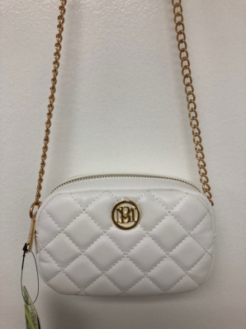 | BM-4186 | WHITE | MINI CAMERA BAG | 6.5X4X2.5 | 44" | $79.00 | 19
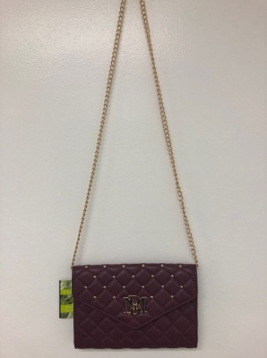 | BM-4181 | PLUM | CROSSBODY W/DIAMOND QUILTING AND NAILHEAD STUDS | 9X6X1.5 |  | $129.00 | 1,994
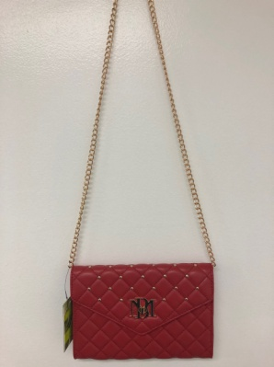 | BM-4181 | RED | CROSSBODY W/DIAMOND QUILTING AND NAILHEAD STUDS | 9X6X1.5 |  | $129.00 | 1,996
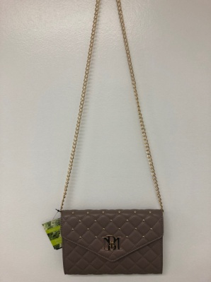 | BM-4181 | TAUPE | CROSSBODY W/DIAMOND QUILTING AND NAILHEAD STUDS | 9X6X1.5 |  | $129.00 | 1,945
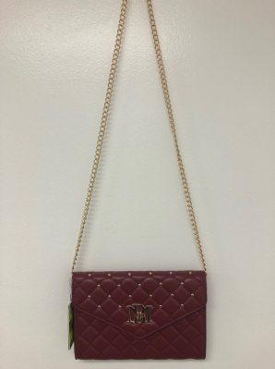 | BM-4181 | WINE | CROSSBODY W/DIAMOND QUILTING AND NAILHEAD STUDS | 9X6X1.5 |  | $129.00 | 1,996
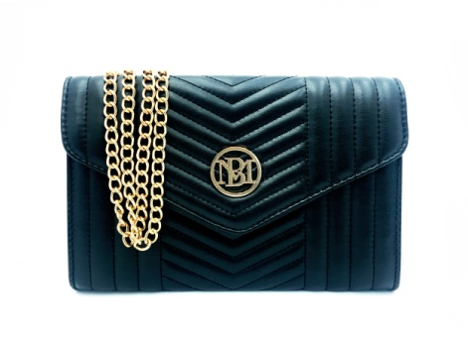 | BM-4183 | BLACK | V-QUILTING CROSSBODY | 9X6X1.5 |  | $99.00 | 12,500
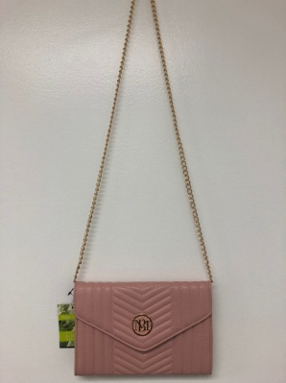 | BM-4183 | BLUSH | V-QUILTING CROSSBODY | 9X6X1.5 |  | $99.00 | 1,795
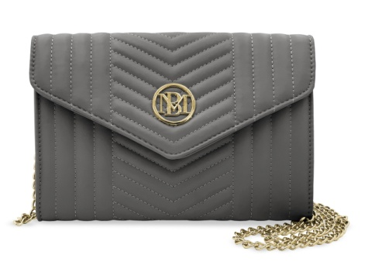 | BM-4183 | GREY | V-QUILTING CROSSBODY | 9X6X1.5 |  | $99.00 | 1,736
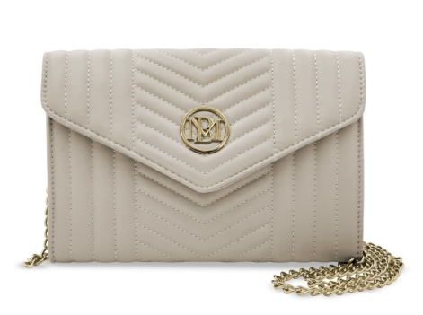 | BM-4183 | OFF WHITE | V-QUILTING CROSSBODY | 9X6X1.5 |  | $99.00 | 1,225
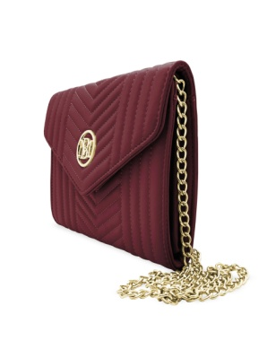 | BM-4183 | PLUM | V-QUILTING CROSSBODY | 9X6X1.5 |  | $99.00 | 1,795
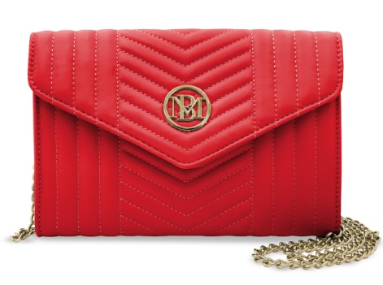 | BM-4183 | RED | V-QUILTING CROSSBODY | 9X6X1.5 |  | $99.00 | 1,697
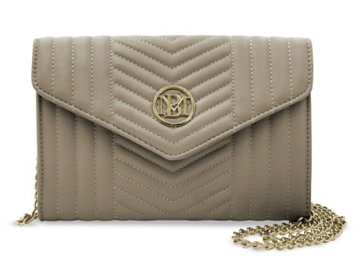 | BM-4183 | TAUPE | V-QUILTING CROSSBODY | 9X6X1.5 |  | $99.00 | 963
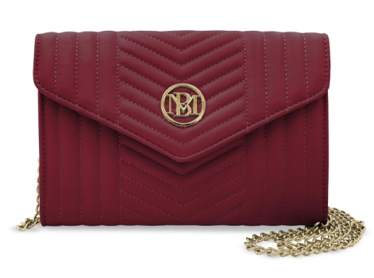 | BM-4183 | WINE | V-QUILTING CROSSBODY | 9X6X1.5 |  | $99.00 | 1,939
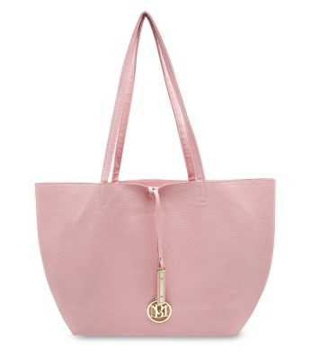 | BMH-015 | BLACK |  |  |  |  | 11,547
 | BMH-015 | BLUSH |  |  |  |  | 1,947
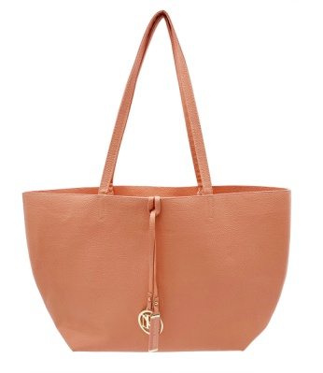 | BMH-015 | CORAL |  |  |  |  | 2,102
 | BMH-015 | LIGHT GRAY |  |  |  |  | 1,981
 | BMH-015 | OFF WHITE |  |  |  |  | 2,010
 | BMH-015 | RED |  |  |  |  | 2,046
 | BMH-015 | TAUPE |  |  |  |  | 1,956
 | BM-4032 | BLACK | QUILTED SMALL COSMETIC WRISTLET | 7.75X5X.25 | 12" WRIST | $29.00 | 1,679
 | BM-4032 | BLUSH | QUILTED SMALL COSMETIC WRISTLET | 7.75X5X.25 | 12" WRIST | $29.00 | 50
 | BM-4032 | BRICK RED | QUILTED SMALL COSMETIC WRISTLET | 7.75X5X.25 | 12" WRIST | $29.00 | 1,802
 | BM-4032 | GREY | QUILTED SMALL COSMETIC WRISTLET | 7.75X5X.25 | 12" WRIST | $29.00 | 897
 |  |  |  |  |  |  | 70,275

